SS26
 |  |  |  |  |  |  | 2,705 |  | 156,596.00 €
Immagine | Tipologia | Collezione | Codice | Cod. Col. | Descr. Colore | Barcode | Q.tà | prezzo WHS SS26 | TOT WHL SS26 | RTL
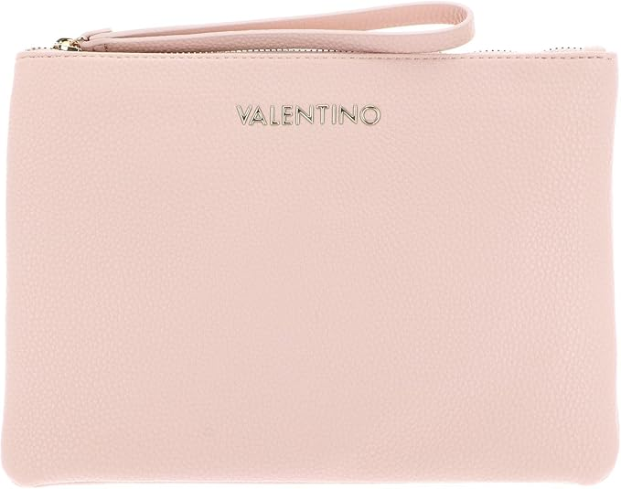 | BEAUTIES | BRIXTON | VBE7LX528 | 030 | CIPRIA | 8054942438171 | 16 | 28.00 € | 448.00 € | 75.60 €
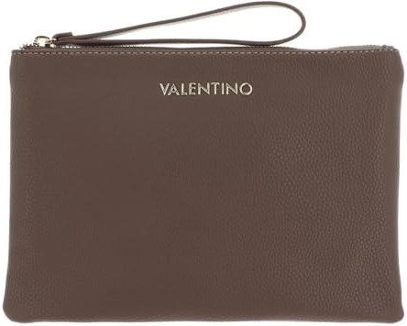 | BEAUTIES | BRIXTON | VBE7LX528 | 089 | CUOIO | 8054942605658 | 16 | 28.00 € | 448.00 € | 75.60 €
 | BEAUTIES | BRIXTON | VBE7LX528 | 991 | ECRU | 8054942438201 | 14 | 28.00 € | 392.00 € | 75.60 €
 | BEAUTIES | BRIXTON | VBE7LX528 | 001 | NERO | 8054942226891 | 20 | 28.00 € | 560.00 € | 75.60 €
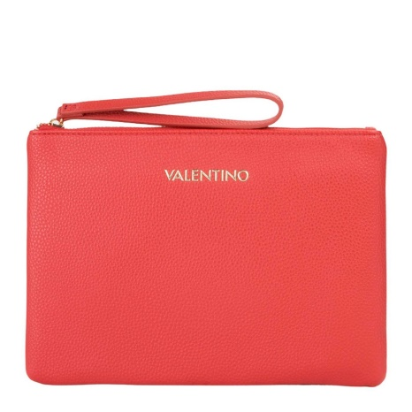 | BEAUTIES | BRIXTON | VBE7LX528 | 128 | RUBINO | 8051941005878 | 16 | 28.00 € | 448.00 € | 75.60 €
 | Borse a Mano | DIVINA | VBS1R401G | 040 | ARGENTO | 8052790167281 | 14 | 38.00 € | 532.00 € | 102.60 €
 | Borse a Mano | DIVINA | VBS1R401G | 005 | BEIGE | 8052790711835 | 20 | 38.00 € | 760.00 € | 102.60 €
 | Borse a Mano | DIVINA | VBS1R401G | 030 | CIPRIA | 8052790711842 | 28 | 38.00 € | 1,064.00 € | 102.60 €
 | Borse a Mano | DIVINA | VBS1R401G | 574 | NERO/GOLD | 8058043478715 | 28 | 38.00 € | 1,064.00 € | 102.60 €
 | Borse a Mano | DIVINA | VBS1R401G | 019 | ORO | 8052790167267 | 16 | 38.00 € | 608.00 € | 102.60 €
 | Borse a Mano | DIVINA | VBS1R401G | 003 | ROSSO | 8052790167250 | 14 | 38.00 € | 532.00 € | 102.60 €
 | Borse a Mano | DIVINA | VBS1R403G | 040 | ARGENTO | 8052790167373 | 28 | 36.00 € | 1,008.00 € | 97.20 €
 | Borse a Mano | DIVINA | VBS1R403G | 005 | BEIGE | 8052790711897 | 28 | 36.00 € | 1,008.00 € | 97.20 €
 | Borse a Mano | DIVINA | VBS1R403G | 030 | CIPRIA | 8052790712603 | 20 | 36.00 € | 720.00 € | 97.20 €
 | Borse a Mano | DIVINA | VBS1R403G | 574 | NERO/GOLD | 8058043478739 | 28 | 36.00 € | 1,008.00 € | 97.20 €
 | Borse a Mano | DIVINA | VBS1R403G | 019 | ORO | 8052790167359 | 28 | 36.00 € | 1,008.00 € | 97.20 €
 | Borse a Mano | DIVINA | VBS1R403G | Q23 | ORO ROSA | 8058043132402 | 28 | 36.00 € | 1,008.00 € | 97.20 €
 | Borse a Mano | DIVINA | VBS1R403G | 003 | ROSSO | 8052790167342 | 12 | 36.00 € | 432.00 € | 97.20 €
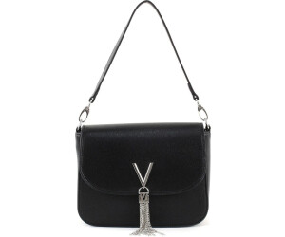
 | Borse a Spalla | DIVINA | VBS1R404G | 005 | BEIGE | 8052790712658 | 14 | 52.00 € | 728.00 € | 140.40 €
 | Borse a Spalla | DIVINA | VBS1R404G | 574 | NERO/GOLD | 8058043478753 | 14 | 52.00 € | 728.00 € | 140.40 €
 | Borse a Spalla | DIVINA | VBS1R404G | 019 | ORO | 8052790167441 | 14 | 52.00 € | 728.00 € | 140.40 €
 | Borse a Spalla | DIVINA | VBS1R404G | 003 | ROSSO | 8052790167434 | 12 | 52.00 € | 624.00 € | 140.40 €
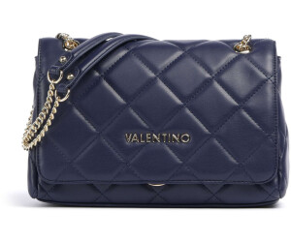
 | Borse a Spalla | OCARINA | VBS3KK02R | 002 | BLU | 8054942227546 | 28 | 74.00 € | 2,072.00 € | 199.80 €
 | Borse a Spalla | OCARINA | VBS3KK02R | 030 | CIPRIA | 8054942444264 | 20 | 74.00 € | 1,480.00 € | 199.80 €
 | Borse a Spalla | OCARINA | VBS3KK02R | 991 | ECRU | 8054942227577 | 28 | 74.00 € | 2,072.00 € | 199.80 €
 | Borse a Spalla | OCARINA | VBS3KK02R | 001 | NERO | 8054942227539 | 20 | 74.00 € | 1,480.00 € | 199.80 €
 | Borse a Spalla | OCARINA | VBS3KK02R | 979 | PERLA | 8054942227560 | 12 | 74.00 € | 888.00 € | 199.80 €
 | Borse a Spalla | OCARINA | VBS3KK05R | 005 | BEIGE | 8054942983343 | 14 | 74.00 € | 1,036.00 € | 199.80 €
 | Borse a Spalla | OCARINA | VBS3KK05R | 006 | BIANCO | 8054942444295 | 12 | 65.00 € | 780.00 € | 175.50 €
 | Borse a Spalla | OCARINA | VBS3KK05R | 002 | BLU | 8054942227614 | 28 | 65.00 € | 1,820.00 € | 175.50 €
 | Borse a Spalla | OCARINA | VBS3KK05R | 030 | CIPRIA | 8054942450975 | 28 | 65.00 € | 1,820.00 € | 175.50 €
 | Borse a Spalla | OCARINA | VBS3KK05R | 991 | ECRU | 8054942227645 | 28 | 65.00 € | 1,820.00 € | 175.50 €
 | Borse a Spalla | OCARINA | VBS3KK05R | 001 | NERO | 8054942227607 | 28 | 65.00 € | 1,820.00 € | 175.50 €
 | Borse a Spalla | OCARINA | VBS3KK05R | 979 | PERLA | 8054942227638 | 12 | 65.00 € | 780.00 € | 175.50 €
 | Borse a Spalla | OCARINA | VBS3KK10R | 002 | BLU | 8054942227683 | 14 | 79.00 € | 1,106.00 € | 213.30 €
 | Borse a Spalla | OCARINA | VBS3KK10R | 001 | NERO | 8054942227676 | 16 | 79.00 € | 1,264.00 € | 213.30 €
 | Borse a Spalla | OCARINA | VBS3KK45R | 005 | BEIGE | 8054942983428 | 12 | 52.00 € | 624.00 € | 140.40 €
 | Borse a Spalla | OCARINA | VBS3KK45R | 002 | BLU | 8054942228178 | 12 | 52.00 € | 624.00 € | 140.40 €
 | Borse a Spalla | OCARINA | VBS3KK45R | 030 | CIPRIA | 8054942439147 | 12 | 52.00 € | 624.00 € | 140.40 €
 | Borse a Spalla | OCARINA | VBS3KK45R | 991 | ECRU | 8054942228208 | 12 | 52.00 € | 624.00 € | 140.40 €
 | Borse a Spalla | OCARINA | VBS3KK45R | 001 | NERO | 8054942228161 | 16 | 52.00 € | 832.00 € | 140.40 €
 | Borse a Spalla | OCARINA | VBS3KK45R | 979 | PERLA | 8054942228192 | 12 | 52.00 € | 624.00 € | 140.40 €
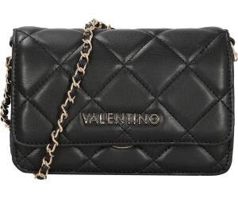
 | Borse a Spalla | OCARINA | VBS3KK52R | 005 | BEIGE | 8054942983497 | 12 | 71.00 € | 852.00 € | 191.70 €
 | Borse a Spalla | OCARINA | VBS3KK52R | 006 | BIANCO | 8054942527325 | 12 | 71.00 € | 852.00 € | 191.70 €
 | Borse a Spalla | OCARINA | VBS3KK52R | 002 | BLU | 8054942604828 | 12 | 71.00 € | 852.00 € | 191.70 €
 | Borse a Spalla | OCARINA | VBS3KK52R | 030 | CIPRIA | 8054942527332 | 12 | 71.00 € | 852.00 € | 191.70 €
 | Borse a Spalla | OCARINA | VBS3KK52R | 991 | ECRU | 8054942604842 | 12 | 71.00 € | 852.00 € | 191.70 €
 | Borse a Spalla | OCARINA | VBS3KK52R | 001 | NERO | 8054942527318 | 16 | 71.00 € | 1,136.00 € | 191.70 €
 | Borse a Spalla | BIGS | VBS3XJ02 | 001 | NERO | 8058043053752 | 28 | 52.00 € | 1,456.00 € | 140.40 €
 | Borse a Spalla | BIGS | VBS3XJ02MAT | 005 | BEIGE | 8054942973351 | 14 | 52.00 € | 728.00 € | 140.40 €
 | Borse a Spalla | BIGS | VBS3XJ02MAT | 001 | NERO | 8054942309228 | 14 | 52.00 € | 728.00 € | 140.40 €
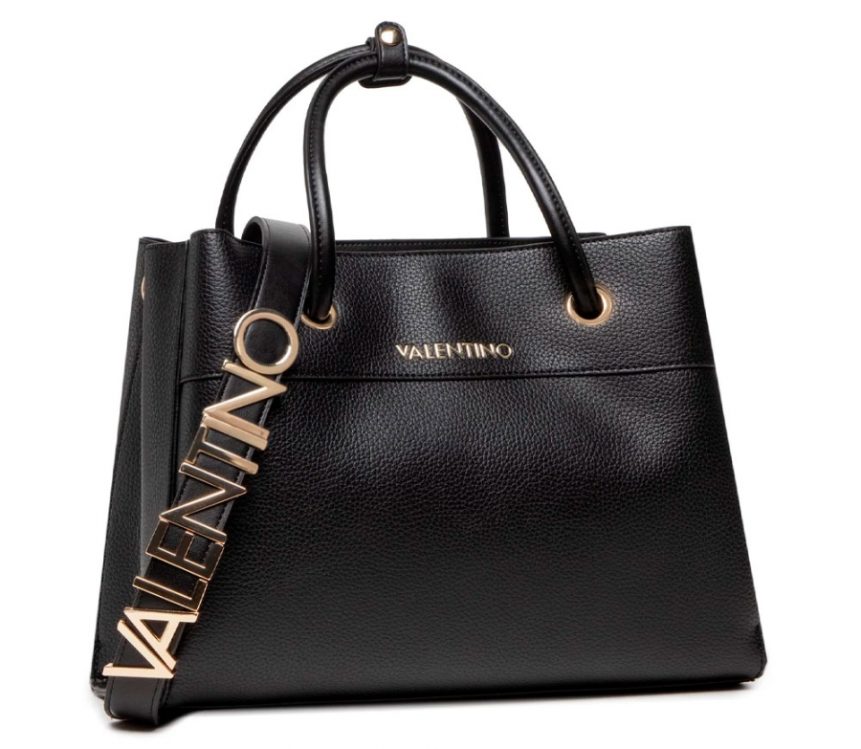
 | Borse a Mano | ALEXIA | VBS5A802 | 173 | BIANCO/CUOIO | 8058043570884 | 16 | 81.00 € | 1,296.00 € | 218.70 €
 | Borse a Mano | ALEXIA | VBS5A802 | 089 | CUOIO | 8054942972989 | 16 | 81.00 € | 1,296.00 € | 218.70 €
 | Borse a Mano | ALEXIA | VBS5A802 | 991 | ECRU | 8058043324975 | 16 | 81.00 € | 1,296.00 € | 218.70 €
 | Borse a Mano | ALEXIA | VBS5A802 | 001 | NERO | 8058043324951 | 16 | 81.00 € | 1,296.00 € | 218.70 €
 | Borse a Mano | ALEXIA | VBS5A803 | 173 | BIANCO/CUOIO | 8058043570907 | 28 | 79.00 € | 2,212.00 € | 213.30 €
 | Borse a Mano | ALEXIA | VBS5A803 | 991 | ECRU | 8058043325002 | 28 | 79.00 € | 2,212.00 € | 213.30 €
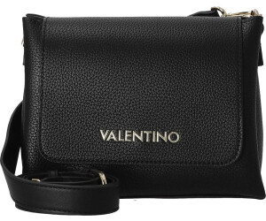
 | Borse a Mano | ALEXIA | VBS5A806 | 173 | BIANCO/CUOIO | 8058043875613 | 16 | 71.00 € | 1,136.00 € | 191.70 €
 | Borse a Mano | ALEXIA | VBS5A806 | 089 | CUOIO | 8051941005724 | 16 | 71.00 € | 1,136.00 € | 191.70 €
 | Borse a Mano | ALEXIA | VBS5A806 | 991 | ECRU | 8058043875620 | 16 | 71.00 € | 1,136.00 € | 191.70 €
 | Borse a Mano | ALEXIA | VBS5A806 | 001 | NERO | 8058043875606 | 16 | 71.00 € | 1,136.00 € | 191.70 €
 | Borse a Spalla | ALEXIA | VBS5A808 | 173 | BIANCO/CUOIO | 8054942220776 | 14 | 74.00 € | 1,036.00 € | 199.80 €
 | Borse a Spalla | ALEXIA | VBS5A808 | 089 | CUOIO | 8054942973061 | 14 | 74.00 € | 1,036.00 € | 199.80 €
 | Borse a Spalla | ALEXIA | VBS5A808 | 991 | ECRU | 8054942220783 | 14 | 74.00 € | 1,036.00 € | 199.80 €
 | Borse a Spalla | ALEXIA | VBS5A808 | 001 | NERO | 8054942220769 | 14 | 74.00 € | 1,036.00 € | 199.80 €
 | Borse a Spalla | ALEXIA | VBS5A809 | 173 | BIANCO/CUOIO | 8054942221629 | 17 | 67.00 € | 1,139.00 € | 180.90 €
 | Borse a Mano | ZERO RE | VBS7B323 | 005 | BEIGE | 8051941006301 | 14 | 76.00 € | 1,064.00 € | 205.20 €
 | Borse a Mano | ZERO RE | VBS7B323 | 006 | BIANCO | 8051941006318 | 12 | 76.00 € | 912.00 € | 205.20 €
 | Borse a Mano | ZERO RE | VBS7B323 | 089 | CUOIO | 8051941006332 | 12 | 76.00 € | 912.00 € | 205.20 €
 | Borse a Mano | ZERO RE | VBS7B323 | 991 | ECRU | 8051941112507 | 12 | 76.00 € | 912.00 € | 205.20 €
 | Borse a Mano | ZERO RE | VBS7B323 | 001 | NERO | 8051941004994 | 14 | 76.00 € | 1,064.00 € | 205.20 €
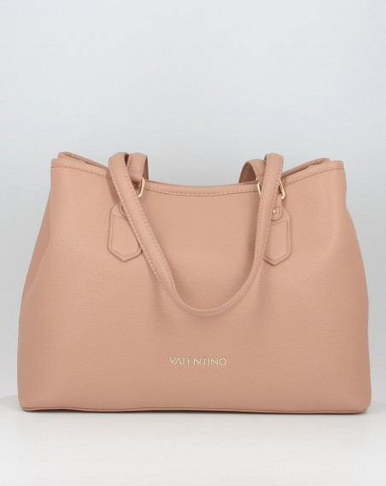
 | Borse a Spalla | BRIXTON | VBS7LX01 | 089 | CUOIO | 8054942605559 | 16 | 69.00 € | 1,104.00 € | 186.30 €
 | Borse a Spalla | BRIXTON | VBS7LX01 | 991 | ECRU | 8054942436962 | 12 | 69.00 € | 828.00 € | 186.30 €
 | Borse a Spalla | BRIXTON | VBS7LX01 | 001 | NERO | 8054942230478 | 16 | 69.00 € | 1,104.00 € | 186.30 €
 | Borse a Spalla | BRIXTON | VBS7LX01 | 128 | RUBINO | 8054942973375 | 5 | 69.00 € | 345.00 € | 186.30 €
 | Borse a Mano | BRIXTON | VBS7LX05 | 089 | CUOIO | 8054942610195 | 14 | 62.00 € | 868.00 € | 167.40 €
 | Borse a Mano | BRIXTON | VBS7LX05 | 991 | ECRU | 8054942444615 | 14 | 62.00 € | 868.00 € | 167.40 €
 | Borse a Mano | BRIXTON | VBS7LX05 | 001 | NERO | 8054942230713 | 16 | 62.00 € | 992.00 € | 167.40 €
 | Borse a Mano | BRIXTON | VBS7LX05 | 128 | RUBINO | 8054942973436 | 14 | 62.00 € | 868.00 € | 167.40 €
 | Borse a Spalla | BRIXTON | VBS7LX06 | 089 | CUOIO | 8054942612564 | 14 | 52.00 € | 728.00 € | 140.40 €
 | Borse a Spalla | BRIXTON | VBS7LX06 | 991 | ECRU | 8054942444653 | 14 | 52.00 € | 728.00 € | 140.40 €
 | Borse a Spalla | BRIXTON | VBS7LX06 | 001 | NERO | 8054942230775 | 16 | 52.00 € | 832.00 € | 140.40 €
 | Borse a Spalla | BRIXTON | VBS7LX06 | 128 | RUBINO | 8054942973450 | 14 | 52.00 € | 728.00 € | 140.40 €
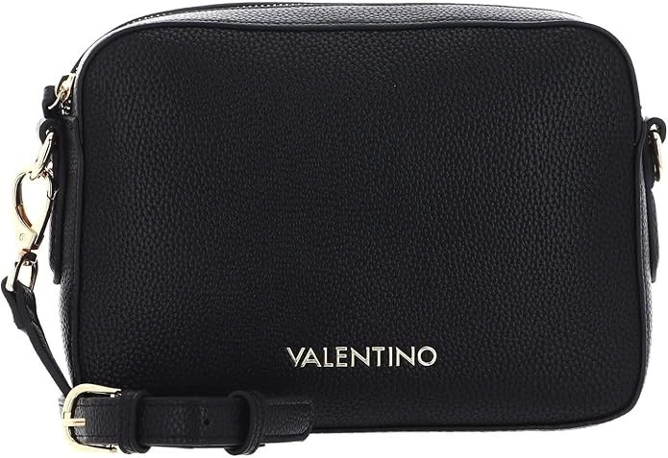
 | Borse a Spalla | BRIXTON | VBS7LX07 | 089 | CUOIO | 8054942610218 | 14 | 43.00 € | 602.00 € | 116.10 €
 | Borse a Spalla | BRIXTON | VBS7LX07 | 991 | ECRU | 8054942444691 | 14 | 43.00 € | 602.00 € | 116.10 €
 | Borse a Spalla | BRIXTON | VBS7LX07 | 001 | NERO | 8054942230836 | 16 | 43.00 € | 688.00 € | 116.10 €
 | Borse a Spalla | BRIXTON | VBS7LX07 | 128 | RUBINO | 8054942973474 | 14 | 43.00 € | 602.00 € | 116.10 €
 | Borse a Spalla | BRIXTON | VBS7LX08 | 089 | CUOIO | 8054942610232 | 14 | 52.00 € | 728.00 € | 140.40 €
 | Borse a Spalla | BRIXTON | VBS7LX08 | 991 | ECRU | 8054942444738 | 14 | 52.00 € | 728.00 € | 140.40 €
 | Borse a Spalla | BRIXTON | VBS7LX08 | 001 | NERO | 8054942230898 | 16 | 52.00 € | 832.00 € | 140.40 €
 | Borse a Spalla | BRIXTON | VBS7LX08 | 128 | RUBINO | 8054942973498 | 14 | 52.00 € | 728.00 € | 140.40 €
 | Borse a Spalla | BRIXTON | VBS7LX11 | 089 | CUOIO | 8051941017246 | 14 | 69.00 € | 966.00 € | 186.30 €
 | Borse a Spalla | BRIXTON | VBS7LX11 | 991 | ECRU | 8054942973603 | 12 | 69.00 € | 828.00 € | 186.30 €
 | Borse a Spalla | BRIXTON | VBS7LX11 | 001 | NERO | 8054942972460 | 16 | 69.00 € | 1,104.00 € | 186.30 €
 | Borse a Spalla | BRIXTON | VBS7LX11 | 128 | RUBINO | 8054942972491 | 12 | 69.00 € | 828.00 € | 186.30 €
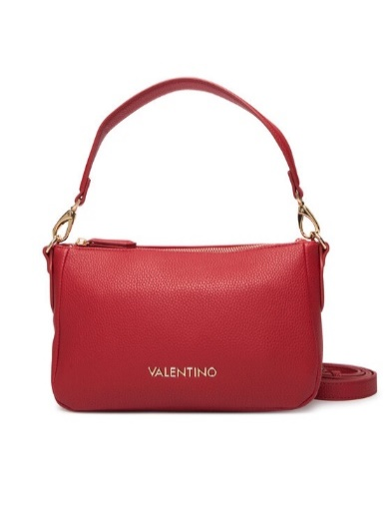
 | Borse a Spalla | BRIXTON | VBS7LX12 | 030 | CIPRIA | 8054942988553 | 12 | 52.00 € | 624.00 € | 140.40 €
 | Borse a Spalla | BRIXTON | VBS7LX12 | 089 | CUOIO | 8051941017253 | 16 | 52.00 € | 832.00 € | 140.40 €
 | Borse a Spalla | BRIXTON | VBS7LX12 | 991 | ECRU | 8054942988584 | 14 | 52.00 € | 728.00 € | 140.40 €
 | Borse a Spalla | BRIXTON | VBS7LX12 | 001 | NERO | 8054942988546 | 16 | 52.00 € | 832.00 € | 140.40 €
 | Borse a Spalla | BRIXTON | VBS7LX12 | 128 | RUBINO | 8054942988577 | 14 | 52.00 € | 728.00 € | 140.40 €
 | Borse a Spalla | PANSY | VBS8PG01 | 002 | BLU | 8054942607393 | 12 | 74.00 € | 888.00 € | 199.80 €
 | Borse a Spalla | PANSY | VBS8PG01 | 030 | CIPRIA | 8054942607409 | 12 | 74.00 € | 888.00 € | 199.80 €
 | Borse a Spalla | PANSY | VBS8PG01 | 089 | CUOIO | 8054942983978 | 12 | 74.00 € | 888.00 € | 199.80 €
 | Borse a Spalla | PANSY | VBS8PG01 | 991 | ECRU | 8054942607416 | 12 | 74.00 € | 888.00 € | 199.80 €
 | Borse a Spalla | PANSY | VBS8PG01 | 001 | NERO | 8054942607386 | 14 | 74.00 € | 1,036.00 € | 199.80 €
 | Borse a Mano | PANSY | VBS8PG04 | 089 | CUOIO | 8054942983985 | 12 | 81.00 € | 972.00 € | 218.70 €
 | Borse a Mano | PANSY | VBS8PG04 | 001 | NERO | 8054942607430 | 12 | 81.00 € | 972.00 € | 218.70 €
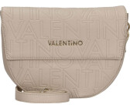 | Borse a Spalla | PANSY | VBS8PG09 | 089 | CUOIO | 8054942983992 | 12 | 62.00 € | 744.00 € | 167.40 €
 | Borse a Spalla | PANSY | VBS8PG09 | 991 | ECRU | 8054942607515 | 14 | 62.00 € | 868.00 € | 167.40 €
 | Borse a Spalla | PANSY | VBS8PG09 | 001 | NERO | 8054942607485 | 12 | 62.00 € | 744.00 € | 167.40 €
 | Borse a Spalla | PANSY | VBS8PG15 | 002 | BLU | 8054942607546 | 28 | 55.00 € | 1,540.00 € | 148.50 €
 | Borse a Spalla | PANSY | VBS8PG15 | 030 | CIPRIA | 8054942607553 | 28 | 55.00 € | 1,540.00 € | 148.50 €
 | Borse a Spalla | PANSY | VBS8PG15 | 089 | CUOIO | 8054942984005 | 12 | 55.00 € | 660.00 € | 148.50 €
 | Borse a Spalla | PANSY | VBS8PG15 | 991 | ECRU | 8054942607560 | 20 | 55.00 € | 1,100.00 € | 148.50 €
 | Borse a Spalla | PANSY | VBS8PG15 | 001 | NERO | 8054942607539 | 20 | 55.00 € | 1,100.00 € | 148.50 €
 | Borse a Spalla | PANSY | VBS8PG40T | 089 | CUOIO | 8054942984104 | 2 | 55.00 € | 110.00 € | 148.50 €
 | Borse a Spalla | PANSY | VBS8PG40T | 991 | ECRU | 8054942984111 | 12 | 55.00 € | 660.00 € | 148.50 €
 | Borse a Spalla | PANSY | VBS8PG40T | 001 | NERO | 8054942984074 | 14 | 55.00 € | 770.00 € | 148.50 €
 | Borse a Spalla | PANSY | VBS8PG42 | 030 | CIPRIA | 8054942607805 | 12 | 55.00 € | 660.00 € | 148.50 €
 | Borse a Spalla | PANSY | VBS8PG42 | 089 | CUOIO | 8054942984128 | 12 | 55.00 € | 660.00 € | 148.50 €
 | Borse a Spalla | PANSY | VBS8PG42 | 991 | ECRU | 8054942607812 | 12 | 55.00 € | 660.00 € | 148.50 €
 | Borse a Spalla | PANSY | VBS8PG42 | 001 | NERO | 8054942607782 | 14 | 55.00 € | 770.00 € | 148.50 €
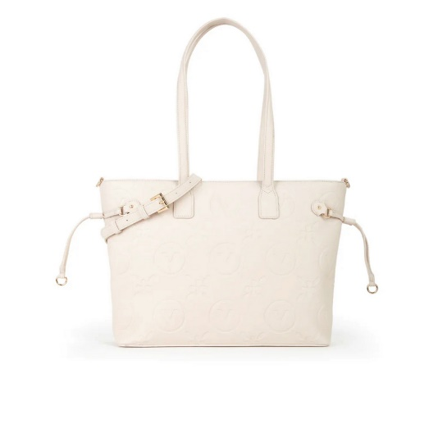 | Borse a Spalla | SAMBA RE | VBS8ZG01 | 002 | BLU | 8054942984715 | 12 | 81.00 € | 972.00 € | 218.70 €
 | Borse a Spalla | SAMBA RE | VBS8ZG01 | 030 | CIPRIA | 8054942650894 | 20 | 81.00 € | 1,620.00 € | 218.70 €
 | Borse a Spalla | SAMBA RE | VBS8ZG01 | 991 | ECRU | 8054942650917 | 28 | 81.00 € | 2,268.00 € | 218.70 €
 | Borse a Mano | SAMBA RE | VBS8ZG04 | 002 | BLU | 8054942984739 | 12 | 71.00 € | 852.00 € | 191.70 €
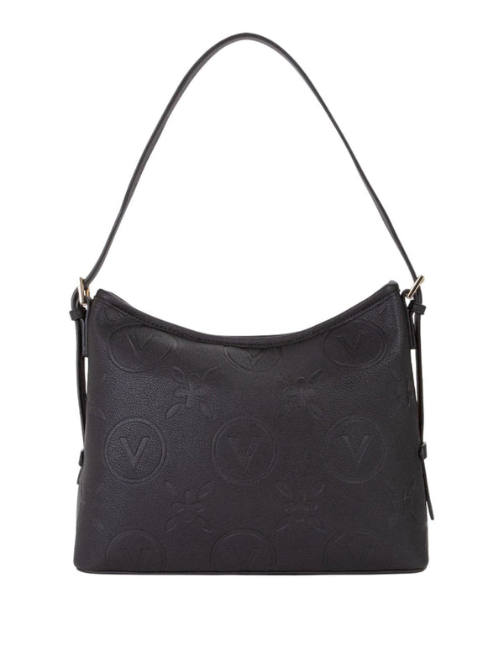 | Borse a Spalla | SAMBA RE | VBS8ZG07 | 002 | BLU | 8054942984777 | 12 | 67.00 € | 804.00 € | 180.90 €
 | Borse a Spalla | SAMBA RE | VBS8ZG07 | 030 | CIPRIA | 8054942650979 | 20 | 67.00 € | 1,340.00 € | 180.90 €
 | Borse a Spalla | SAMBA RE | VBS8ZG07 | 991 | ECRU | 8054942650993 | 20 | 67.00 € | 1,340.00 € | 180.90 €
 | Borse a Spalla | SAMBA RE | VBS8ZG07 | 001 | NERO | 8054942650962 | 20 | 67.00 € | 1,340.00 € | 180.90 €
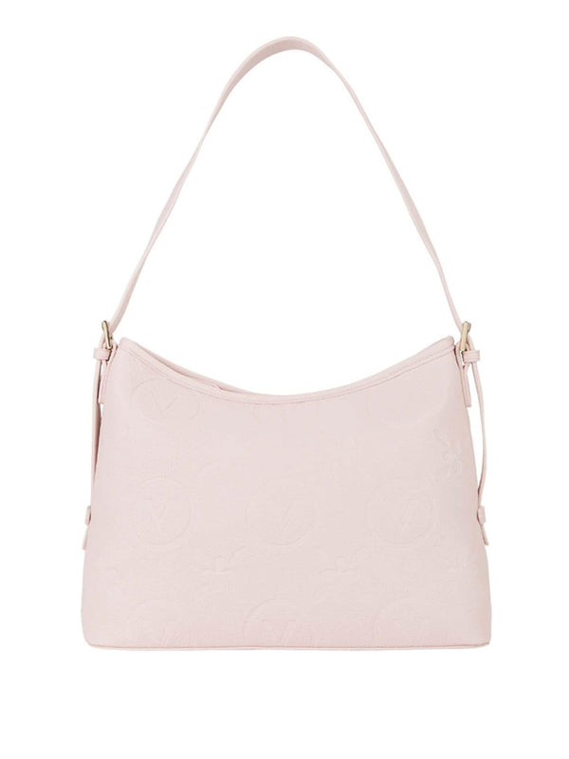 | Borse a Spalla | SAMBA RE | VBS8ZG08 | 030 | CIPRIA | 8054942984814 | 14 | 69.00 € | 966.00 € | 186.30 €
 | Borse a Spalla | SAMBA RE | VBS8ZG08 | 991 | ECRU | 8054942984838 | 14 | 69.00 € | 966.00 € | 186.30 €
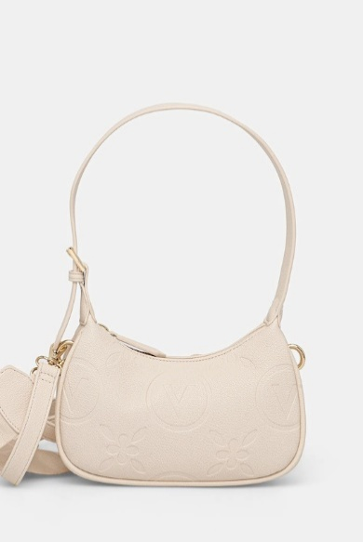 | Borse a Spalla | SAMBA RE | VBS8ZG13 | 030 | CIPRIA | 8054942651051 | 14 | 43.00 € | 602.00 € | 116.10 €
 | Borse a Spalla | SAMBA RE | VBS8ZG13 | 991 | ECRU | 8054942651075 | 14 | 43.00 € | 602.00 € | 116.10 €
 | Borse a Mano | FOXY RE | VBS9EO05 | 991 | ECRU | 8054942819932 | 16 | 71.00 € | 1,136.00 € | 191.70 €
 | Borse a Mano | FOXY RE | VBS9EO05 | 001 | NERO | 8054942819901 | 16 | 71.00 € | 1,136.00 € | 191.70 €
 | Borse a Mano | FOXY RE | VBS9EO05 | 128 | RUBINO | 8054942983176 | 14 | 71.00 € | 994.00 € | 191.70 €
 | Borse a Spalla | FOXY RE | VBS9EO09 | 991 | ECRU | 8054942819987 | 14 | 67.00 € | 938.00 € | 180.90 €
 | Borse a Spalla | FOXY RE | VBS9EO09 | 001 | NERO | 8054942819956 | 14 | 67.00 € | 938.00 € | 180.90 €
 | Borse a Spalla | FOXY RE | VBS9EO09 | 128 | RUBINO | 8054942983183 | 14 | 67.00 € | 938.00 € | 180.90 €
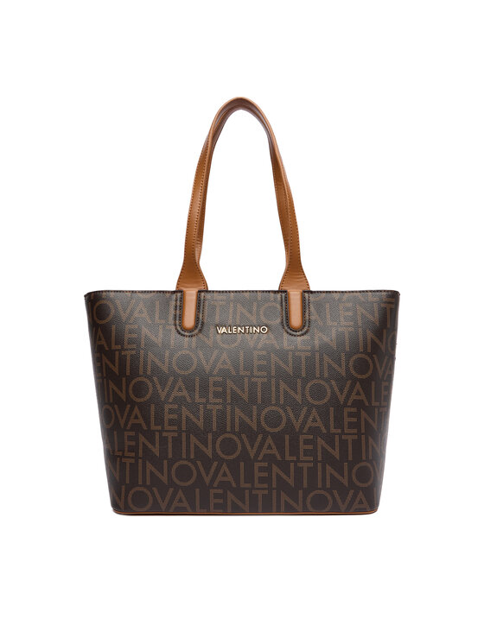 | Borse a Spalla | REGINA RE | VBS9IS01 | 192 | BEIG/NATUR | 8054942984579 | 16 | 79.00 € | 1,264.00 € | 213.30 €
 | Borse a Spalla | REGINA RE | VBS9IS01 | N06 | MORO/NATURALE | 8054942905840 | 14 | 79.00 € | 1,106.00 € | 213.30 €
 | Borse a Spalla | REGINA RE | VBS9IS01 | 001 | NERO | 8054942905802 | 12 | 79.00 € | 948.00 € | 213.30 €
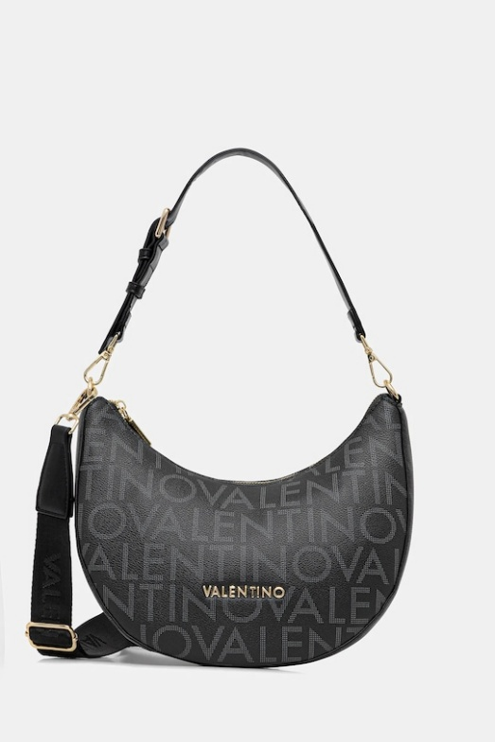 | Borse a Spalla | REGINA RE | VBS9IS07 | 001 | NERO | 8054942905901 | 12 | 69.00 € | 828.00 € | 186.30 €
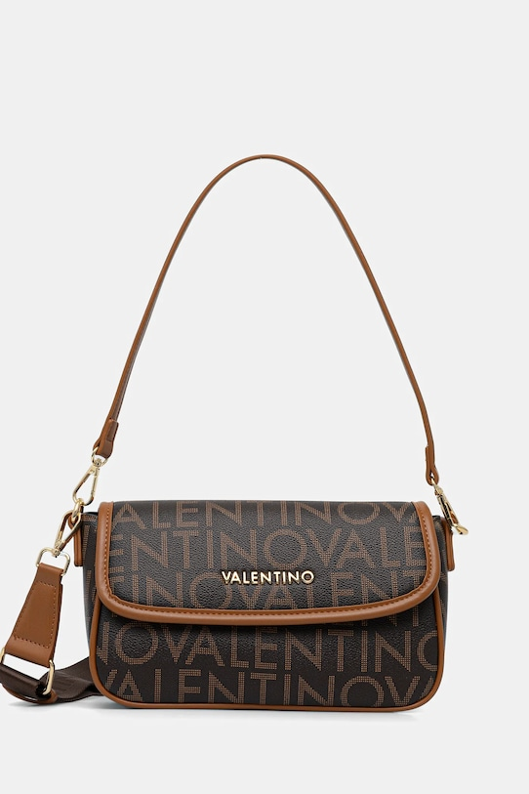 | Borse a Spalla | REGINA RE | VBS9IS09 | 192 | BEIG/NATUR | 8054942984609 | 22 | 69.00 € | 1,518.00 € | 186.30 €
 | Borse a Spalla | REGINA RE | VBS9IS09 | N06 | MORO/NATURALE | 8054942905994 | 14 | 69.00 € | 966.00 € | 186.30 €
 | Borse a Spalla | REGINA RE | VBS9IS09 | 001 | NERO | 8054942905956 | 12 | 69.00 € | 828.00 € | 186.30 €
 | Borse a Spalla | REGINA RE | VBS9IS13 | 192 | BEIG/NATUR | 8054942984616 | 22 | 67.00 € | 1,474.00 € | 180.90 €
 | Borse a Spalla | REGINA RE | VBS9IS13 | N06 | MORO/NATURALE | 8054942906045 | 14 | 67.00 € | 938.00 € | 180.90 €
 | Borse a Spalla | REGINA RE | VBS9IS13 | 001 | NERO | 8054942906007 | 14 | 67.00 € | 938.00 € | 180.90 €
 | Borse a Mano | REGINA RE | VBS9IS17 | N06 | MORO/NATURALE | 8054942906090 | 12 | 52.00 € | 624.00 € | 140.40 €
 | Borse a Mano | REGINA RE | VBS9IS17 | 001 | NERO | 8054942906052 | 12 | 52.00 € | 624.00 € | 140.40 €
 | Borse a Mano | REGINA RE | VBS9IS24 | N06 | MORO/NATURALE | 8054942906199 | 12 | 81.00 € | 972.00 € | 218.70 €
 | Borse a Mano | REGINA RE | VBS9IS24 | 001 | NERO | 8054942906151 | 8 | 81.00 € | 648.00 € | 218.70 €
 | Borse a Spalla | REGINA RE | VBS9IS43 | 192 | BEIG/NATUR | 8054942988690 | 14 | 76.00 € | 1,064.00 € | 205.20 €
 | Borse a Spalla | REGINA RE | VBS9IS43 | N06 | MORO/NATURALE | 8054942988706 | 12 | 76.00 € | 912.00 € | 205.20 €
 | Borse a Spalla | REGINA RE | VBS9IS43 | 001 | NERO | 8054942988676 | 8 | 76.00 € | 608.00 € | 205.20 €
 | PORTAFOGLI | DIVINA | VPS1R4139G | 574 | NERO/GOLD | 8058043479897 | 8 | 17.00 € | 136.00 € | 45.90 €
 | PORTAFOGLI | DIVINA | VPS1R4139G | 019 | ORO | 8052790177891 | 6 | 17.00 € | 102.00 € | 45.90 €
 | PORTAFOGLI | DIVINA | VPS1R4139G | 003 | ROSSO | 8052790177884 | 6 | 17.00 € | 102.00 € | 45.90 €
 | PORTAFOGLI | DIVINA | VPS1R4155G | 030 | CIPRIA | 8052790713143 | 6 | 31.00 € | 186.00 € | 83.70 €
 | PORTAFOGLI | DIVINA | VPS1R4155G | 574 | NERO/GOLD | 8058043479910 | 8 | 31.00 € | 248.00 € | 83.70 €
 | PORTAFOGLI | DIVINA | VPS1R4155G | 003 | ROSSO | 8052790252543 | 4 | 31.00 € | 124.00 € | 83.70 €
 | PORTAFOGLI | OCARINA | VPS3KK105R | 005 | BEIGE | 8054942983824 | 6 | 23.00 € | 138.00 € | 62.10 €
 | PORTAFOGLI | OCARINA | VPS3KK105R | 030 | CIPRIA | 8054942443199 | 6 | 23.00 € | 138.00 € | 62.10 €
 | PORTAFOGLI | OCARINA | VPS3KK105R | 991 | ECRU | 8054942234506 | 6 | 23.00 € | 138.00 € | 62.10 €
 | PORTAFOGLI | OCARINA | VPS3KK105R | 001 | NERO | 8054942225825 | 8 | 23.00 € | 184.00 € | 62.10 €
 | PORTAFOGLI | OCARINA | VPS3KK137R | 002 | BLU | 8054942234711 | 4 | 26.00 € | 104.00 € | 70.20 €
 | PORTAFOGLI | OCARINA | VPS3KK137R | 030 | CIPRIA | 8054942443236 | 6 | 26.00 € | 156.00 € | 70.20 €
 | PORTAFOGLI | OCARINA | VPS3KK137R | 991 | ECRU | 8054942234780 | 12 | 26.00 € | 312.00 € | 70.20 €
 | PORTAFOGLI | OCARINA | VPS3KK137R | 001 | NERO | 8054942234704 | 12 | 26.00 € | 312.00 € | 70.20 €
 | PORTAFOGLI | ALEXIA | VPS5A8137 | 173 | BIANCO/CUOIO | 8054942610928 | 6 | 26.00 € | 156.00 € | 70.20 €
 | PORTAFOGLI | ALEXIA | VPS5A8137 | 089 | CUOIO | 8051941007100 | 6 | 26.00 € | 156.00 € | 70.20 €
 | PORTAFOGLI | ALEXIA | VPS5A8137 | 991 | ECRU | 8054942610942 | 6 | 26.00 € | 156.00 € | 70.20 €
 | PORTAFOGLI | ALEXIA | VPS5A8215 | 089 | CUOIO | 8051941007124 | 6 | 28.00 € | 168.00 € | 75.60 €
 | PORTAFOGLI | ALEXIA | VPS5A8215 | 001 | NERO | 8058043327778 | 6 | 28.00 € | 168.00 € | 75.60 €
 | PORTAFOGLI | BRIXTON | VPS7LX155 | 030 | CIPRIA | 8054942438294 | 4 | 28.00 € | 112.00 € | 75.60 €
 | PORTAFOGLI | PANSY | VPS8PG101 | 030 | CIPRIA | 8054942910585 | 6 | 19.00 € | 114.00 € | 51.30 €
 | PORTAFOGLI | PANSY | VPS8PG101 | 089 | CUOIO | 8054942984401 | 6 | 19.00 € | 114.00 € | 51.30 €
 | PORTAFOGLI | PANSY | VPS8PG101 | 001 | NERO | 8054942910578 | 6 | 19.00 € | 114.00 € | 51.30 €
 | PORTAFOGLI | PANSY | VPS8PG113 | 001 | NERO | 8054942910875 | 6 | 33.00 € | 198.00 € | 89.10 €
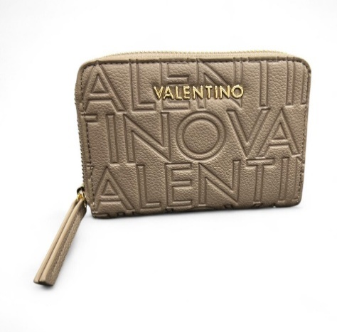
 | PORTAFOGLI | PANSY | VPS8PG137 | 030 | CIPRIA | 8054942910639 | 4 | 26.00 € | 104.00 € | 70.20 €
 | PORTAFOGLI | PANSY | VPS8PG137 | 089 | CUOIO | 8054942984449 | 4 | 26.00 € | 104.00 € | 70.20 €
 | PORTAFOGLI | PANSY | VPS8PG137 | 001 | NERO | 8054942910622 | 8 | 26.00 € | 208.00 € | 70.20 €
 | PORTAFOGLI | SAMBA RE | VPS8ZG137 | 030 | CIPRIA | 8054942813435 | 1 | 28.00 € | 28.00 € | 75.60 €
 | PORTAFOGLI | SAMBA RE | VPS8ZG155 | 030 | CIPRIA | 8054942813480 | 6 | 33.00 € | 198.00 € | 89.10 €
 | PORTAFOGLI | SAMBA RE | VPS8ZG155 | 991 | ECRU | 8054942813503 | 6 | 33.00 € | 198.00 € | 89.10 €
 | PORTAFOGLI | SAMBA RE | VPS8ZG155 | 001 | NERO | 8054942813473 | 4 | 33.00 € | 132.00 € | 89.10 €
 | PORTAFOGLI | SAMBA RE | VPS8ZG43 | 030 | CIPRIA | 8054942813534 | 4 | 31.00 € | 124.00 € | 83.70 €
 | PORTAFOGLI | SAMBA RE | VPS8ZG43 | 991 | ECRU | 8054942813558 | 4 | 31.00 € | 124.00 € | 83.70 €
 | PORTAFOGLI | REGINA RE | VPS9IS113 | N06 | MORO/NATURALE | 8054942909664 | 4 | 28.00 € | 112.00 € | 75.60 €
 | PORTAFOGLI | REGINA RE | VPS9IS113 | 001 | NERO | 8054942909657 | 4 | 28.00 € | 112.00 € | 75.60 €
 | PORTAFOGLI | REGINA RE | VPS9IS137 | 001 | NERO | 8054942910301 | 4 | 23.00 € | 92.00 € | 62.10 €
 | PORTAFOGLI | REGINA RE | VPS9IS155 | 001 | NERO | 8054942910325 | 4 | 28.00 € | 112.00 € | 75.60 €
 | PORTAFOGLI | REGINA RE | VPS9IS234 | N06 | MORO/NATURALE | 8054942910356 | 4 | 33.00 € | 132.00 € | 89.10 €
 | PORTAFOGLI | REGINA RE | VPS9IS234 | 001 | NERO | 8054942910349 | 4 | 33.00 € | 132.00 € | 89.10 €
 | PORTAFOGLI | REGINA RE | VPS9IS255 | 001 | NERO | 8054942910363 | 4 | 23.00 € | 92.00 € | 62.10 €

